1. Title Page
[Project Name]

Project Name: Instacart customer data analysis
Date:10.05.2024
Analyst Name: Lilian Hairapetian

Contents:
Population Flow
Consistency checks
Wrangling steps
Column derivations
Visualizations
Recommendations

2. Population Flow
Title page

Population flow

Exclusion flag
Condition: max_order < 5
Obervations to be removed: customers with less than 5 orders
Final total count of order_products_all: 24414877

Orders_products_combined
Orders_products_merged
Orders_products_all

Total: 32404859
Total: 32434489
Total: 32404859

1.) The grey boxes in the first row of the population flow represent the original data sets as they were when you downloaded them. In the Total fields you need to add the count of the rows when you imported the data set into Jupyter.
2.) The second row of boxes (coloured) represents the data sets after you manipulated them, e.g., removed missing values and duplicates. In the Total fields you need to add the count of the rows after conducting these operations. This offers a visual oveview of how the data flows throughout the data consistency checks.
3.) The third row, where also the arrows are coloured, represents the merges you performed between the datasets. In the Total fields you need to add the count of the rows in the merged datasets, so that you end up with the final dataset (in the red box). Keep in mind the final dataset should be without exclusions (based on the exclusion flag).

3. Consistency checks
 |  |  |  | Title page
Consistency checks

Dataset | Missing values | Missing values treatment | Duplicates
orders | 0 missing values | None | 0 duplicates rows
products | 16 NAN product names | excluded from the new df | 5 full row duplicates
orders_products_prior | 0 missing values | None | 0 duplicates rows
customers | 11259 null names | None | 0 duplicates rows

4. Wrangling steps
 |  |  |  |  | Title page
Wrangling steps

Dataframe | Columns dropped | Columns renamed | Columns' type changed | Comment/Reason
orders | eval_set column is dropped | order_dow to orders_day_of_week | user_id to string | data consistency
 |  | order_hour_of_day to order_time | order_id_to string
customers | none | First name to first_name | none | naming consistency
 |  | Surnam to last_Name
 |  | fam_status to marital_status
 |  | n_dependants to number_of_fam_members
 |  | Age to age
 |  | STATE to state
 |  | Gender to gender

5. Column derivations
 |  |  |  | Title page

Column derivations and aggregations

In this tab you should add tables below that the frequences of flags/label variables that you produced after deriving them. NB: don't do this for continuous variables, only for flags.
Dataset | New column | Column/s it was derived from | Conditions
orders_prods_customers | loyalty_flag | max_order | if max_order > 40 then loyal customers if max_order is<=40 & >10 then regular customer if max_oder is <=10 then new customer
orders_prods_customers | customer_order_frequency | ordering_median | if ordering_median > 20, then non-frequent customer if odering_median >10 and <=20, then regular customer if ordering_median >=10, then frequent customer
orders_products_merge | Spending_flag | average_price_spent | if average price spent is < 10, then low spender if average price spent is >=10, then high spender
ords_prods_customers | region | states | based on division on states regions are categories into northeast, midwest, south and west
ords_prods_customers | customer_activity | order_number | if number of orders < 5 , then low activity customer if number of oders > 5, then high activity customer
ords_prods_customers | age_group | age | if age between 18, 25 then yound adult if age between 26 and 40, then adult if age equal or greater than 60, then senior
ords_prods_customers | income_range | income | if <=26K, then low income if >=27K & <=80K then, Medium income if>80k, then high income
ords_prods_customers | dependants_status | number_of)fam_members | if >0 then has dependants if == 0, then no dependants

Visualizations & Recommendation
 |  |  |  | Title page

Visualisations

In this tab you should include all the visualtions from Exercises 4.9 and 4.10, alongside the questions from the project brief that they answer. Include any commentary on the relationship between different variables.

Key Questions
The sales team needs to know what the busiest days of the week and hours of the day are (i.e., the days and times with the most orders) in order to schedule ads at times when there are fewer orders.
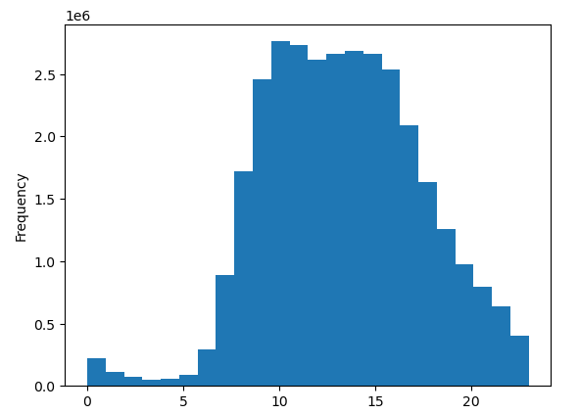

 | Busiest hours of day: after midnight hours when number of orders are very low, number of orders start to rise aftre 10:00 in the morning and maintaining a steady high trend until 16:00 ~ 17:00, after which shows a gradual decrease toward the evening again.

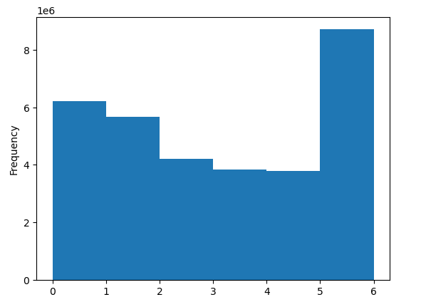

Recommendation:
Title of question for sales team poses a recommendation to schedule ads for times when there are fewer orders, however I'd pose the opposite, in order to increase sales I would recommend the pick hours for ads, where customers are ready to pay and buy. These hours can be cruisal to target and release ads for new goods/products. |  |  |  | Busiest day of the week: Weekends are the highest busiest days of the week. Mondays also are high in number of orders, then as the week goes by we see less business during work days.

They also want to know whether there are particular times of the day when people spend the most money, as this might inform the type of products they advertise at these times.
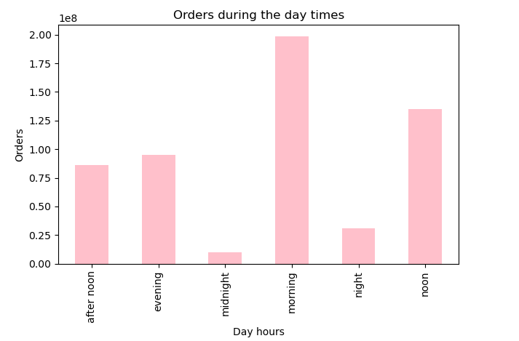

 |  | Recommendation: Morning and noon hours show highest numbers in orders. Afternoon and evening hours have a good potenial to also increase if a proper marketing or sales strategy is applied.

Instacart has a lot of products with different price tags. Marketing and sales want to use simpler price range groupings to help direct their efforts.

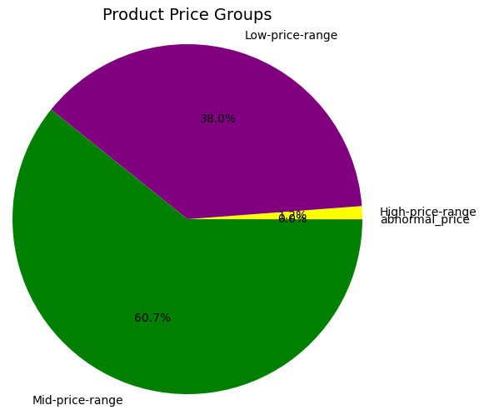

Are there certain types of products that are more popular than others? The marketing and sales teams want to know which departments have the highest frequency of product orders.

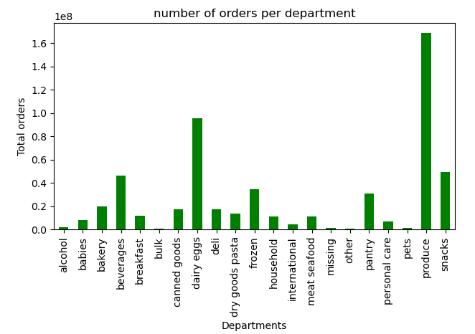

Different types of customers, their profiles, and ordering habbits are represented below, along with charts illustrating behaviours in different regions.

For customers' data distrubution of age group, Marital Status and percentage of customers with/without dependants are shown below
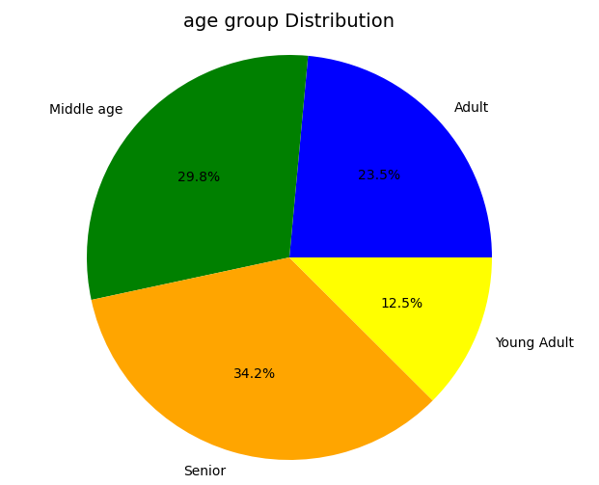
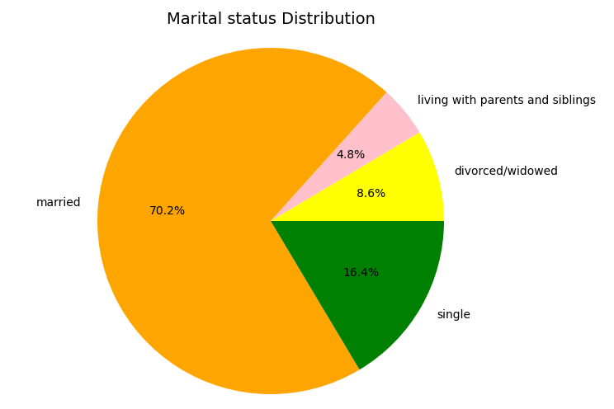
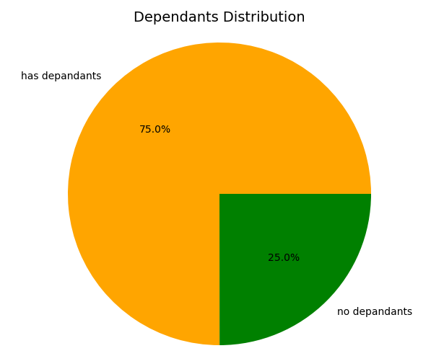

Following charts are related to customer's finances, such as income, spending habbits and loyalty groups.

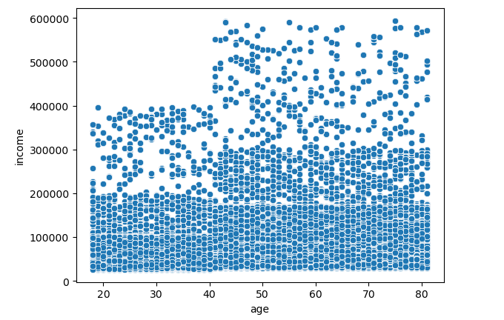
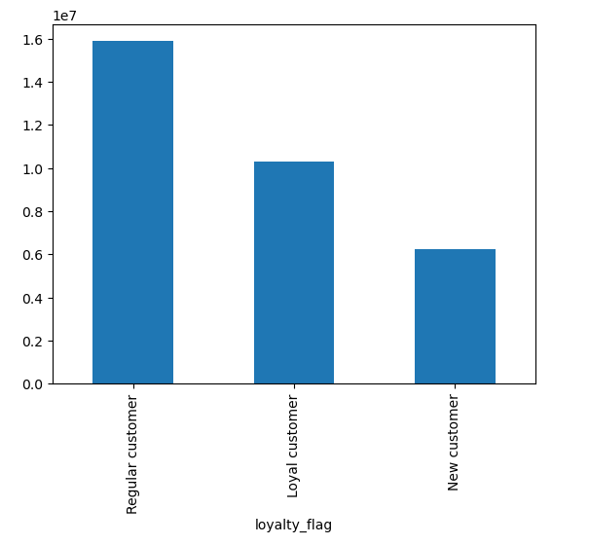
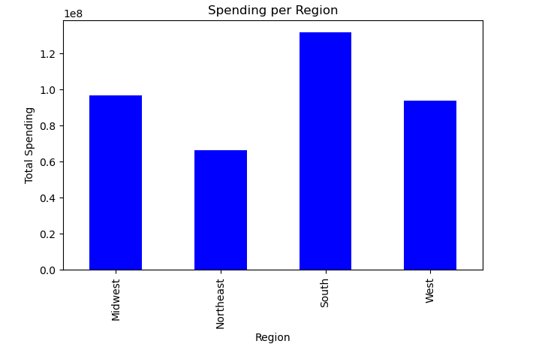

there is a base income range of 0 - 200K for all ages as the lower concentrated dots show on the chart. As well this ranges gets even more concentrated towars higher age ranges compared to 20-45 age groups. |  |  |  |  | Spending habbits per regions, Souther customers are showing highest money spent
 |  |  |  |  |  | Recommendation: Based on financial analysis, it's recommended that marketing and sales team focus on new customers to increase their loyalty, potenially by gamifications or encouragement on collecting loyalty points and redeeming them. As for the regional analysis, Northeast region has to be on a better focus for better sales as it's showing lowest spending amongst rest of regions.

 |  |  | distribution of orders among customers in terms of loyalty

Departments data analysis

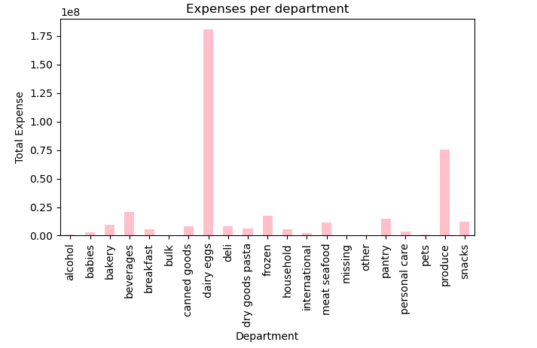
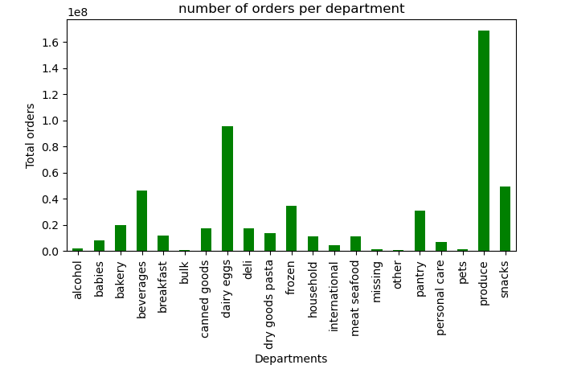
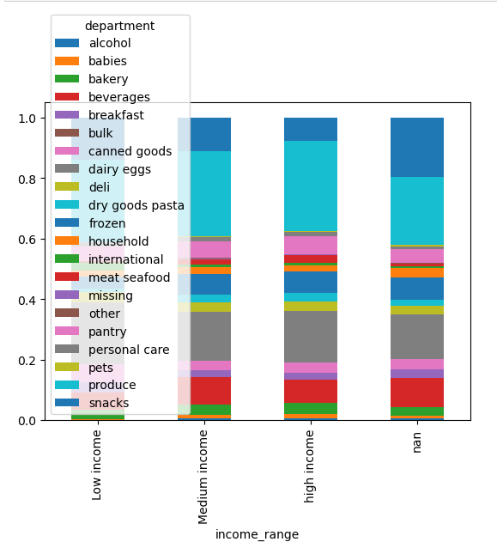

Ordering based on customer loyalty
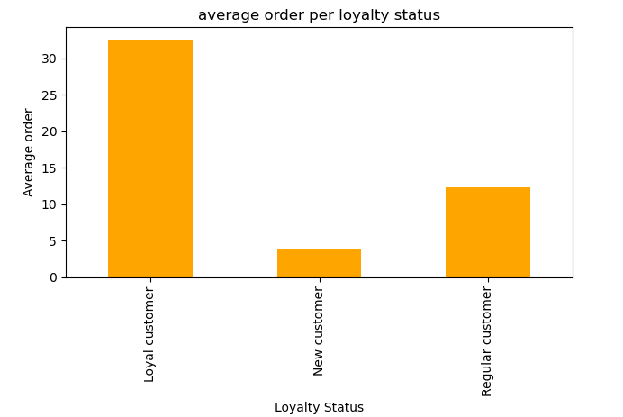

Orders based on loyalty profiles confirms that customers in the loyal category show the highest number of orders indeed.

